Ref filter
Type | American Style Fridge Freezers
 | Multi Door Fridge Freezers
 | Tall Fridge Freezers
Capacity | Under 450LL | 500L or less
 | 500L ~600L
 | 600L or more | 500L or more
Width | Under 600mm | 700mm or less
 | 600-900mm | 700mm or more
 | 900mm or more
Depth | Under 760mm
Height | Under 1800mm
 | 1800-2000mm
 | 2000mm or more
Smart Technology | ThinQ(Wi-Fi)
Energy Grade | A
 | B
 | D
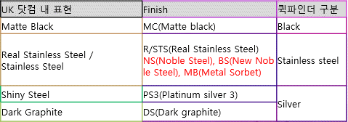
 | E
 | F
Color | Matte Black
 | Real Stainless Steel
 | Stainless Steel
 | Shiny Steel
 | Dark Graphite
Compressor | Inverter Linear Compressor
 | Smart Compressor
Feature | Instaview Door in Door
 | Door in Door
 | Linear Cooling
 | Door Cooling
 | Multi Air Filow
 | Pure N Fresh™
 | Ice& Water Dispenser(Plumbing)
 | Ice& Water Dispenser(Non-Plumbing)
 | Water Dispenser(Non-
 | Uvnano™
 | Extra Storage (옆에 빨간색 글자 USP써줄지 확인 필요) | Smart Storage system, Utility Box, Extra Space, Snack Corner
 | Convenient Feature | Wine rack, Folding shelf, EZ handle, Reversible door, Retractable shelf, Zero clearance, 2-Step folding shelf
Price

WM filter
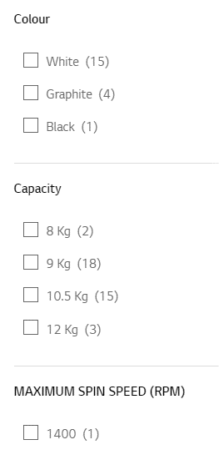
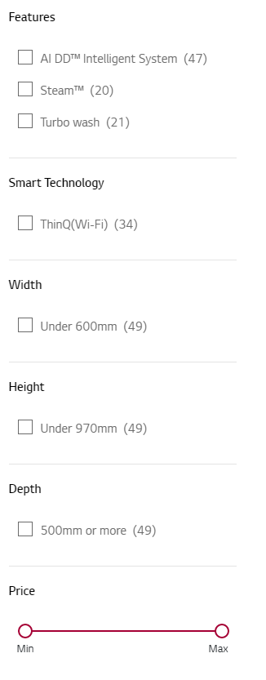
현재 영국 Filter 이미지 | 정비할 항목 | 속성 | 내용
 | Type | 신규 | Washer Dryer
 |  |  | Washing machine
 | Capacity | 기존 | 8kg
 |  |  | 9kg
 |  |  | 10.5kg
 |  |  | 12kg
 | maximun spin speed (rpm) | 기존 | 1400
 |  |  | 1600
 | features | 기존 | AI DD™ intelligent System
 |  |  | Steam
 |  |  | EzDispense™
 |  |  | Turbowash™ 360
 |  |  | Turbowash™
 | Smart Technology | 기존 | ThinQ (Wi-Fi)
 | Width | 기존 | 60cm | 넓이와 높이는 영국이 1가지 기준이라 필터에 제외
 | Height | 기존 | 85cm | 넓이와 높이는 영국이 1가지 기준이라 필터에 제외
 | Depth | 기존 | under 60cm
 |  |  | 60cm or above
 | Energy Grade | 신규 | A
 |  |  | B
 |  |  | D
 |  |  | E
 |  |  | F
 | Color | 기존 | White
 |  |  | Graphite
 |  |  | Black
 | Price | 기존 | (좌측예시)

질문문항 구성
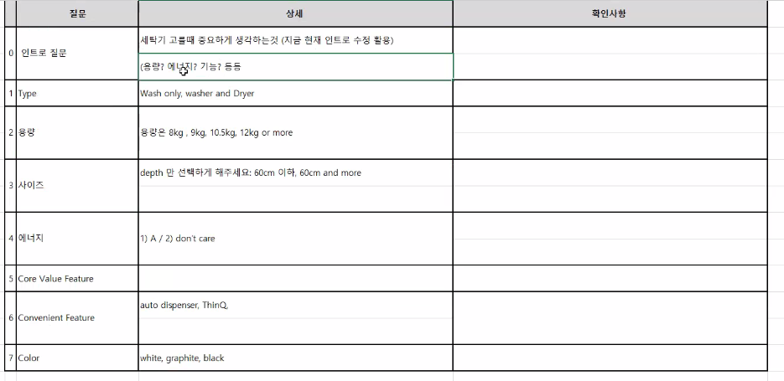
 | 질문 | 상세 | 확인사항
0 | 인트로 질문 | 냉장고 고를때 중요하게 생각하는것 (지금 현재 인트로 수정 활용) 또는 가족수 ,장보는 횟수, 냉장고 설치 사이즈가 어느정도되는지 물어보고 시작하는 방법도 있음 | 이 부분은 좀더 고민 필요, 냉장고 고를떄 이런걸 중요하게 생각하는군요 하고 매끄럽게 잘 넘어가게 해야하는데,, 협의 필요
1 | Type | Multi Door Fridge Freezer, American Style Fridge Freezer, Tall Fridge Freezer | 카피 수정 필요,, 너무 일차원적이라고 하심
2 | 용량 | 현재는 500L미만 이상으로 나눠있는데, 더 상세하게 나눠주세요, 450L미만, 500~600, 600이상 등 각 실제 용량을 스펙시트에 정리 | 상세 스펙 엑셀에 500L미만 이상 되어있는걸, 상세 실제 용량으로 넣어주시고 어떻게수정할지 분류 필요
3 | 사이즈 | Depth를 Counter Depth / Standard Depth로 나누고, 영국의 경우 Standard depth 비활성화 Counter depth (760mm 이하) 등 옆에 수치는 표시해주세요,, 각 실제 용량을 스펙시트에 정리해보고 구분 다시 생각해보자, 가로, 세로, 뎁스 다 할지 말지… | 영국의 경우 Width, Height은 타입별 이미 정해져있는것이니 타입별 정한거에 따라서 Interactive copy등에 사이즈는 표시해주세요, ex) 아메리칸 스타일을 고르셨군요, 아메리칸 스타일은 키는 XX고, 넓이는 XX정도 됩니다.
4 | Ice & Water Dispenser 유무 | 있는경우 (Plumbing, Non plumbing, Non plumbing(Dispenser), Uvnano표현 좀 애매, 없는경우 | 상세스펙 엑셀에도 있는경우 없는 경우 표기후 있는 경우의 경우 구분이 되어야 하는데 표현방법 수정 필요
5 | Core Value Feature 기본적인데 가장 중요한 것! | Longer Lasting Freshness, Ventilation, Energy Rating 자사의 Core value 중복선택 가능하게 | 상세스펙 엑셀에 Ventilation의 Pure N Fresh구분이 안되어있던데 수정 필요, 에너지 Rating의 경우 E까지는 효율적인걸로 표기할건지 에너지 효율 등급 좋고 나쁜건 어떻게 끊어줄지 확인 필요
6 | Convenient Feature LG만의 어떤것~ | InstaView™ Door-in-Door®, Door-in-Door®, Extra storage, Smart/AI features, 현재 Convenient feature 등 중복 가능하게 | Convenient feature라고 표현되어있는걸 어떻게 표현할지, 확인필요
7 | Color | Black, Stainless Steel, Silver, White 구분 현재와 같이 (중복 선택 가능하게)

Ref copy
No. | Category | Content | Byte | Interactive Copy |  | Byte | Note
0 | Question | What is most important to your fridge purchase considerations? |  |  |  |  | * For internal data purposes, the scenario for each option is the same on Quick finder.
0-1 | Option | Big capacity | 12 | Bridge Copy - Head | Big households or grocery shoppers. | 35
고민되는게 예를들어 큰 용량 고르면 큰용량 냉장고 찾을수 있도록 가이드 해주겠다고 하는게 괜찮을까요,
바로 여기서 CTA 누르면 그게 맞을수 있지만
다시 1번부터 시작해야 하는데, 큰 용량의 냉장고를 원하시는군요, 당신에게 맞는 최적의 냉장고를 찾는데 같이 도와드리겠습니다. 이런식으로 하는게 맞을거 같은데
의견 부탁드립니다.
인트로의 카페 내용 자체는 괜찮은데 여기서 이렇게 카피를 쓰면 이미 냉장고 찾기가 끝났는데 다시 찾기 시작하는거 같아서 그부분이 너무 애매해요,
-> 바디 카피에 Let's explore과 같이 함께 같이 찾아보자~라는 내용을 추가하여 바로 결과로 보여지는 게 아닌, 1번 콘텐츠부 터 함께 시작하는 느낌으로 수정 하였습니다.
CTA 문구도 중간 결과 CTA와 카피 톤 Align하여 수정 해 보았습니다. (PPT 시안 반영)
#Get started now
 | - | - | 1 | Bridge Copy - Body | Live with other people, or have frequent occasions to stock up on food? Let's start exploring fridges with enough space for huge groceries. | 139
0-2 | Option | Affordable price | 16 | Bridge Copy - Head | Looking to stay within your budget? | 35
 | - | - | 1 | Bridge Copy - Body | If you're seeking affordable prices and economic deals, let's explore reasonably priced fridge offers. | 102
0-3 | Option | Energy Savings | 14 | Bridge Copy - Head | Reducing your energy bills doesn't have to be hard. | 51
 | - | - | 1 | Bridge Copy - Body | Seeking fridges that'll reduce your bills? We've got highly energy-efficient fridges for you! Let's explore. | 108
0-4 | Option | Size suited to your space | 25 | Bridge Copy - Head | The ideal size of your fridge. | 31
 | - | - | 1 | Bridge Copy - Body | How much space for a fridge does your kitchen allow? We'll help figure out what size would best fit your space. | 112
0-5 | Option | Latest features and usability | 30 | Bridge Copy - Head | Features designed to boost convenience and satisfaction. | 56
 | - | - | 1 | Bridge Copy - Body | Add further convenience to your daily life. We're about to lead you to the fridge best suited to your needs. | 108
0-6 | Option | I am not sure : I’m open to LG’s recommendations | 48 | Bridge Copy - Head | Not sure what you want? | 23
 | - | - | 1 | Bridge Copy - Body | That’s alright. LG is here to accompany your journey! | 53
1 | Question | Product type What type of fridge are you looking for?
1-1 | Option | Multi Door Fridge Freezer | 25 | Option | A fitting choice for large households or food lovers. | 53 | Interactive head copy는 60바이트 미만으로 수정 예정 (전체 공통 적용)
 | description - Head (제품 타입에 대한 설명) | Multi doors with a full-width fridge above and the freezer below. | 65 | Interactive Copy - Head | Nice for big households or those who use the fridge often. The fridge position requires less bending down. Also known as French style/door, these increased in demand from the UK market. | 185 | 200바이트 이하로 수정 예정 (전체 공통 적용)
1-2 | Option | American Style Fridge Freezer | 29 | 강조 키워드 | A nice choice for those who use the freezer frequently. | 55
 | description - Head (제품 타입에 대한 설명) | A two-door model, with fridge and freezer standing side by side. | 64 | Interactive Copy - Head | Its fridge and freezer sections are positioned next to each other, making both easy to reach. This vertically arranged side-by-side' or 'double door' type is spacious. It offers lots of space with our largest model, and is chosen by nearly a quarter of UK households. | 267
1-3 | Option | Tall Fridge Freezer | 19 | 강조 키워드 | A sleek and practical option for space-saving. | 46
 | description - Head (제품 타입에 대한 설명) | Slimline with fridge on top and freezer below. | 46 | Interactive Copy - Body | Fits effortlessly into smaller spaces, ideal for prudent grocery shoppers who store small smounts of food. It is a decades-long steady-seller in the UK, chosen by nearly half of its households. | 193
2 | Question | Product capacity What capacity do you need? | 43 |  |  |  | * May choose multiple options.
2-1 | Option | Under 450L | 10 |  |  | 0
 | description | A practical choice for infrequent fridge users or prudent grocery shoppers. | 75 |  |  | 0
2-2 | Option | 500-600L | 8 |  |  | 0 | 해당 모델 3개 뿐 - 톨프리저1, 멀티도어2
 | description | A frequently chosen option for many households. | 47 |  |  | 0
2-2 | Option | 600L or more | 13 |  |  | 0
 | description | For those who stock up on groceries, or share the fridge with many others. | 74 |  |  | 0
3 | Question | Product size Which size best fits your space? | 45 |  |  | 0 | * May choose multiple options.
 | description - Head | A guide to measure your fridge space. | 37 |  |  | 0
 | description - full | Know how much space you have for your fridge. Doors need (25-50 mm) space to open and ventilate. All LG fridges are counter depth, a slender, complementary structure. Cold or hot spots are not advised. | 202
Depth 3-1 | Option | Counter depth (Under 760 mm) | 28 |  |  | 0
Depth 3-2 | Option | Standard depth (760 mm or more) | 31 |  |  | 0 | UK는 해당제품 없음 비활성화 Default
Width 3-1 | Option | Under 600 mm | 12 |  |  | 0
Width 3-2 | Option | 600-900 mm | 10 |  |  | 0 | 해당 모델 2개 뿐 - 멀티도어
Width 3-3 | Option | 900 mm or more | 14 |  |  | 0
Height 3-1 | Option | Under 180 mm | 12 |  |  | 0
Height 3-2 | Option | 1800-2000 mm | 12 |  |  | 0 | 해당 모델 2개 뿐 - 톨프리저
Height 3-3 | Option | 2000 mm or more | 15 |  |  | 0
4 | Question | Ice & Water Dispenser Do you need a fridge with an Ice & Water Dispenser? | 73 | Interactive Copy - Body |  | 0
4-1 | Option | Plumbed | 7 |  |  | 0 | * 선택 시 해당 제품 가격순으로 리스트업
 | description | Get handy access to water and ice withot refilling the water tank. | 66 |  | ; | 1
4-1-1 | Option | UVnano™ | 7 |  |  | 0 | USP - Plumbed, UVnano 함께 해당되는 제품 리스트업
 | description-Head | An auto-cleaning system constantly cleanses your dispenser. | 60 |  |  | 0
 | description-Full | UVnano™ refreshes your water dispenser nozzle every day, automatically eliminating of bacteria from the water nozzle with UV light. | 131 |  |  | 0
4-1-2 | Option | Doesn't matter to me. | 21 |  |  | 0 | USP - Plumbed 제품 리스트업
 | description | - | 1 |  |  | 0
4-2 | Option | Non Plumbed | 11 |  |  | 0
 | description-Head | Refillable water tanks connected to the dispenser. | 50 |  |  | 0
 | description-Full | When connecting to a direct water supply isn't feasible, non-plumbed fridges offer a convenient alternative of refillable water tanks connected to a door-mounted dispenser. | 172 |  |  | 0
4-2-1 | Option | UVnano™ | 7 |  |  | 0 | USP - Non Plumbed, UVnano 함께 해당되는 제품 리스트업
 | description-Head | An auto-cleaning system constantly cleanses your dispenser. | 60 |  |  | 0
 | description-Full | UVnano™ refreshes your water dispenser nozzle every day, automatically eliminating of bacteria from the water nozzle with UV light. | 131 |  |  | 0
4-2-2 | Option | Doesn't matter to me. | 21 |  |  | 0 | USP - Non Plumbed 제품 리스트업
 | description | - | 1 |  |  | 0
4-3 | Option | Non Plumbed (Water only) | 24 |  |  | 0 | 해당 모델 1개 뿐 - 톨프리저
 | description-Head | Enjoy chilled water straight from your fridge. | 46 |  |  | 0
 | description-Full | A handy way to access chilled water from your freezer through a built-in refillable water tank. | 95 |  |  | 0
4-4 | Option | No ice & water dispenser | 24 |  |  | 0 | USP - I&W dispenser 없는 제품 리스트업
 | description | I don't need one. | 17 |  |  | 0
4-5 | Option | Doesn't matter to me, I'd like to see all models. | 49
5 | Question | Key feature (Opt. Main feature) Which key feature of a fridge is your priority? | 80 |  |  | 0 | * Recommend any of the following USPs. * May choose multiple options.
5-1 | Option | Long-lasting freshness | 22 |  |  | 0
 | description - Head | Enjoy fresh food with LG’s temperature control and cooling technology. | 71 | Interactive Copy - Head | Keep your food fresher, for longer.
 | description - Full | High-tech features like Linear Cooling, Door Cooling+, and etc, lets you keep food fresher, longer. | 99 | Interactive Copy - Body | Enjoy garden-fresh produce and groceries with evenly distributed coolness from LG's temperature control and cooling technology. | 127 | USP - Linear Cooling, Door Cooling+, Multi Air Flow, NatureFRESH™, Fresh balancer / moist balance crisper, Fresh converter 중 한 개만 걸려도 해당
5-2 | Option | Ventilation | 12 | Interactive Copy - Head | Fresh air filter(Pure N Fresh) actively absorbs unwated odor paricles. | 70
 | description | Pure N Fresh minimises food odours and keeps the air fresh. | 59 | Interactive Copy - Body | Pure N Fresh uses a powerful fan and a carbon filter to keep fridge air fresh. | 78 | USP - Pure N Fresh™
5-3 | Option | A or better Energy Ratings | 26 |  |  | 0
 | description - Head | Save energy, save money | 24 | Interactive Copy - Head | Save on your energy bills with high energy ratings.
 | description - Full | The LG Inverter Linear Compressor™ lets you save energy by retaining ideal temperatures with efficiency. | 104 | Interactive Copy - Body | LG's exclusive feature Inverter LINEAR Compressor™ saves more energy compared to a conventional compressor, saving your bills and our planet. | 141 | USP - Energy Grade (A~E까지)
6 | Question | Additional features Which additional features do you want from your fridge? | 76
6-1 | Option | InstaView™ Door-in-Door® | 25 |  |  | 0
 | description | Knock twice to see inside while keeping it cool. | 48 |  |  | 0 | USP - InstaView™ Door-in-Door®
6-2 | Option | Door-in-Door® | 13 |  |  | 0
 | description | Its opening button allows you to easily reach for your favourite foods. | 71 |  |  | 0 | USP - Door-in-Door®
6-3 | Option | Extra storage | 13 |  |  | 0
 | description - Head | Extra space for easy access to frequently used items. | 54
 | description - Full | Extra compartments like the Smart Storage system, Retractable Shelf, and others offer productive ways to store small items like deli meat, snacks, and butter. | 158 |  |  | 54 | USP - Smart Storage system, Retractable Shelf, Extra Space, Snack Corner 한개라도 해당 시 선택
6-4 | Option | Other convenient features | 25 |  |  | 0
 | description | Features maximising convenience, i.e. a wine rack, folding shelf, and etc. | 74 |  |  | 0 | USP - Wine rack, Folding shelf, Reversible door, 2-Step folding shelf 한 개라도 해당 시 선택
6-5 | Option | Smart/AI features | 17 |  |  | 0
 | description - Head | A smart assistant for various housekeeping tasks. | 49
 | description - Full | Control your wi-fi enabled LG smart fridge freezer remotely via your smartphone using the LG ThinQ™ app. | 105 |  |  | 0 | USP - ThinQ
카피라이터와 논의 결과
이전 카피가 더 자연스럽다고 하여
전 버전으로 수정 하였습니다.
7 | Question | Product colour Which colour theme matches your interior? | 57 |  |  | 0 | * May choose multiple options.
7-1 | Option | Black | 6 | Interactive Copy - Head | Black will never go out of fashion! | 35 | MC (Matte black)
 | description - Head | A chic, stylish colour that is both eye-catching and luxurious. | 63 | Interactive Copy - Body | Matte black surfaces are less likely to be covered by fingerprints from frequent use. | 85
7-2 | Option | Stainless steel | 15 | Interactive Copy - Head | This sleek shade blends in effortlessly with various styles. | 60 | R/STS (Real Stainless Steel)
 | description - Head | A graceful look that's also easy to maintain. | 45 | Interactive Copy - Body | Fingerprints don’t stay on metal textures, so you won't need to wipe frequently to maintain its sleek appearance. | 114
7-3 | Option | Silver | 6 | Interactive Copy - Head | This steady-selling colour goes well with any kitchen interior, mood or look. | 77 | NS (Noble Steel), BS (New Noble Steel), MB (Metal Sorbet), PS3 (Platinum silver 3), DS (Dark graphite)
 | description - Head | Complementing diverse styles, silver won't tire you out. | 56 | Interactive Copy - Body | Silver goes well with various colours and interior styles. | 58
7-4 | Option | White | 6 | Interactive Copy - Head | White is always a classy choice! You've got good taste. It is also easy to maintain. | 84
 | description - Head | A nice touch or a backdrop for any environment. | 47 | Interactive Copy - Body | Your new fridge will blend well with diverse styles and material. | 65

